BRICK-STONE SILL FINISH
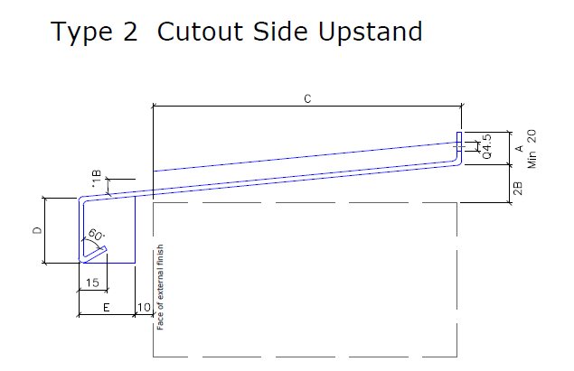
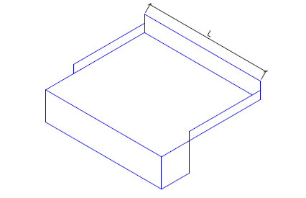

 | FINAL DESIGN Details to be confirmed with custmer before ordering
Ref No | Location | Floor | Width | Cill Width | A | 2B | C | D | E
W1 | Sitting Room | GF | 1800 | 1785 | 20 | 10 |  | 50 | 25
 |  |  |  | -15 | 20 | 10 |  | 50 | 25
 |  |  |  | -15 | 20 | 10 |  | 50 | 25
 |  |  |  | -15 | 20 | 10 |  | 50 | 25
 |  |  |  | -15 | 20 | 10 |  | 50 | 25
 |  |  |  | -15 | 20 | 10 |  | 50 | 25
 |  |  |  | -15 | 20 | 10 |  | 50 | 25
 |  |  |  | -15 | 20 | 10 |  | 50 | 25
 |  |  |  | -15 | 20 | 10 |  | 50 | 25
 |  |  |  | -15 | 20 | 10 |  | 50 | 25
 |  |  |  | -15 | 20 | 10 |  | 50 | 25
 |  |  |  | -15 | 20 | 10 |  | 50 | 25
 |  |  |  | -15 | 20 | 10 |  | 50 | 25
 |  |  |  | -15 | 20 | 10 |  | 50 | 25
 |  |  |  | -15 | 20 | 10 |  | 50 | 25
 |  |  |  | -15 | 20 | 10 |  | 50 | 25
 |  |  |  | -15 | 20 | 10 |  | 50 | 25
 |  |  |  | -15 | 20 | 10 |  | 50 | 25
 |  |  |  | -15 | 20 | 10 |  | 50 | 25
 |  |  |  | -15 | 20 | 10 |  | 50 | 25
 |  |  |  | -15 | 20 | 10 |  | 50 | 25
 |  |  |  | -15 | 20 | 10 |  | 50 | 25
 |  |  |  | -15 | 20 | 10 |  | 50 | 25
 |  |  |  | -15 | 20 | 10 |  | 50 | 25
 |  |  |  | -15 | 20 | 10 |  | 50 | 25

RENDER STOPE END WING SILL
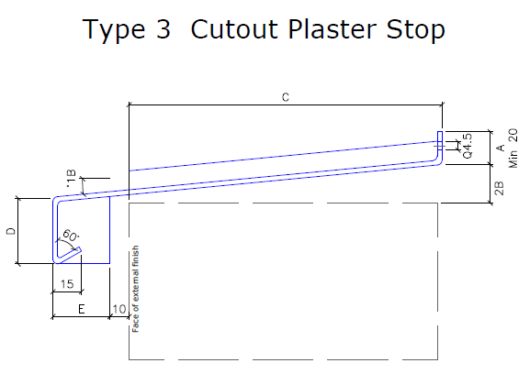
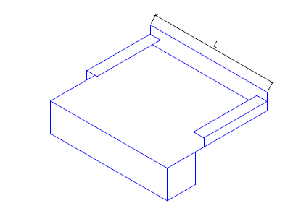

 | FINAL DESIGN Details to be confirmed with custmer before ordering
Ref No | Location | Floor | Width | Cill Width | A | 2B | C | D | E
W1 | Sitting Room | GF | 890 | 875 | 20 | 10 | 105 | 50 | 25
w2 | living room | GF | 695 | 680 | 20 | 10 | 65 | 50 | 25
w3 | living room | GF | 695 | 680 | 20 | 10 | 60 | 50 | 25
w4 | living room | GF | 2000 | 1985 | 20 | 10 | 60 | 50 | 25
w5 | bedroom | GF | 895 | 880 | 20 | 10 | 105 | 50 | 25
w6 | en suite | GF | 845 | 830 | 20 | 10 | 105 | 50 | 25
w7 | bedroom | GF | 1855 | 1840 | 20 | 10 | 105 | 50 | 25
w8 | bedroom | GF | 880 | 865 | 20 | 10 | 105 | 50 | 25
 |  |  |  | -15 | 20 | 10 |  | 50 | 25
 |  |  |  | -15 | 20 | 10 |  | 50 | 25
 |  |  |  | -15 | 20 | 10 |  | 50 | 25
 |  |  |  | -15 | 20 | 10 |  | 50 | 25
 |  |  |  | -15 | 20 | 10 |  | 50 | 25
 |  |  |  | -15 | 20 | 10 |  | 50 | 25
 |  |  |  | -15 | 20 | 10 |  | 50 | 25
 |  |  |  | -15 | 20 | 10 |  | 50 | 25
 |  |  |  | -15 | 20 | 10 |  | 50 | 25
 |  |  |  | -15 | 20 | 10 |  | 50 | 25
 |  |  |  | -15 | 20 | 10 |  | 50 | 25
 |  |  |  | -15 | 20 | 10 |  | 50 | 25
 |  |  |  | -15 | 20 | 10 |  | 50 | 25
 |  |  |  | -15 | 20 | 10 |  | 50 | 25
 |  |  |  | -15 | 20 | 10 |  | 50 | 25
 |  |  |  | -15 | 20 | 10 |  | 50 | 25
 |  |  |  | -15 | 20 | 10 |  | 50 | 25

RENDER PLAIN NO WING SILL
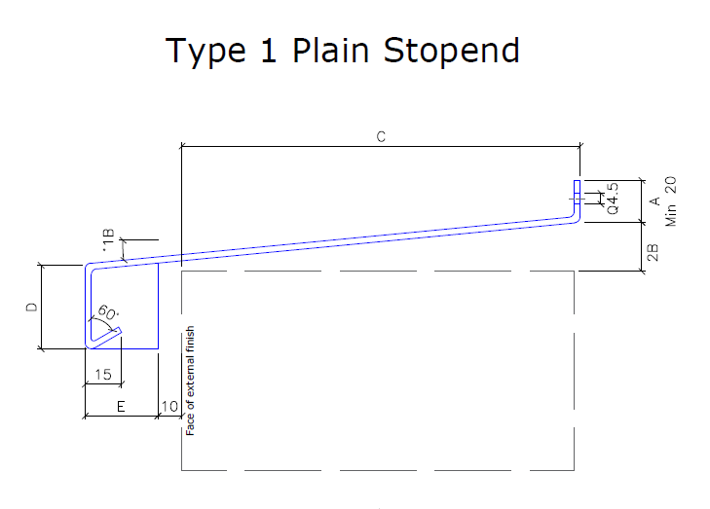
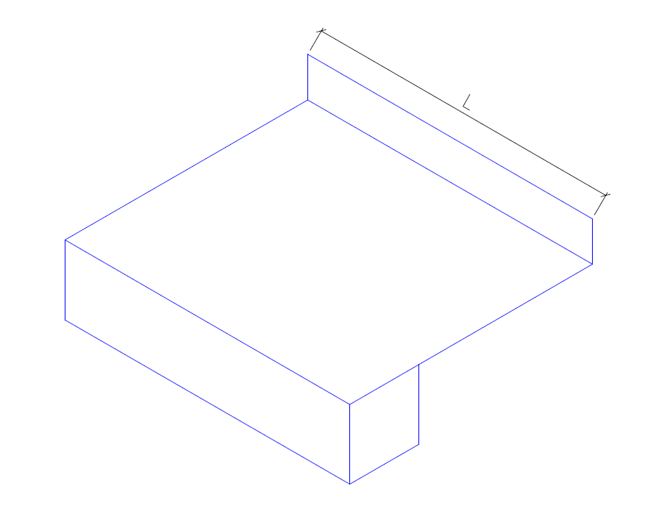

 | FINAL DESIGN Details to be confirmed with custmer before ordering
Ref No | Location | Floor | Width | Cill Width | A | 2B | C | D | E
W1 | Sitting Room | GF | 200 | 185 | 20 | 10 |  | 50 | 25
 |  |  |  | -15 | 20 | 10 |  | 50 | 25
 |  |  |  | -15 | 20 | 10 |  | 50 | 25
 |  |  |  | -15 | 20 | 10 |  | 50 | 25
 |  |  |  | -15 | 20 | 10 |  | 50 | 25
 |  |  |  | -15 | 20 | 10 |  | 50 | 25
 |  |  |  | -15 | 20 | 10 |  | 50 | 25
 |  |  |  | -15 | 20 | 10 |  | 50 | 25
 |  |  |  | -15 | 20 | 10 |  | 50 | 25
 |  |  |  | -15 | 20 | 10 |  | 50 | 25
 |  |  |  | -15 | 20 | 10 |  | 50 | 25
 |  |  |  | -15 | 20 | 10 |  | 50 | 25
 |  |  |  | -15 | 20 | 10 |  | 50 | 25
 |  |  |  | -15 | 20 | 10 |  | 50 | 25
 |  |  |  | -15 | 20 | 10 |  | 50 | 25
 |  |  |  | -15 | 20 | 10 |  | 50 | 25
 |  |  |  | -15 | 20 | 10 |  | 50 | 25
 |  |  |  | -15 | 20 | 10 |  | 50 | 25
 |  |  |  | -15 | 20 | 10 |  | 50 | 25
 |  |  |  | -15 | 20 | 10 |  | 50 | 25
 |  |  |  | -15 | 20 | 10 |  | 50 | 25
 |  |  |  | -15 | 20 | 10 |  | 50 | 25
 |  |  |  | -15 | 20 | 10 |  | 50 | 25
 |  |  |  | -15 | 20 | 10 |  | 50 | 25
 |  |  |  | -15 | 20 | 10 |  | 50 | 25

